1 Input
Values in homepage
 |  |  |  | Reference | Tutorial |  |  |  |  |  |  |  | Landuse (for planned areas) | Soil Type
 |  |  |  | Appetizer | Service |  |  |  |  |  |  |  | Apartment | Clay | 7 | Landuse (for planned areas) | Apartment | 0-15 | 16-30 | 31-60 | 61-100 | 101-200 | 201-350 | 351-500 | 501-750 | 751-1000 | >1000 |  |  | Project area in ha
Homepage |  |  |  | Working tools |  |  |  |  |  |  |  |  | Villa | Silt | 6 |  | Villa | 0-15 | 16-30 | 31-60 | 61-100 | 101-200 | 201-350 | 351-500 | 501-750 | 751-1000 | >1000 | Service code | Rate | >0.5 | 0.5<x<1 | 1<x<3 | 3<x<5 | 5<x<10 | 10<x<20 | 21<x<30 | 31<x<50 | 51<x<75 | 75<x<100 | >100
Service |  |  |  | Skills |  |  |  |  |  |  |  |  | Townhouse | Sand | 2 |  | Townhouse | 0-15 | 16-30 | 31-60 | 61-100 | 101-200 | 201-350 | 351-500 | 501-750 | 751-1000 | >1000 | ST1-ST3 | Base Amount in SEK/hr | 40000 | 40000 | 45000 | 45000 | 55000 | 80000 | 90000 | 120000 | 150000 | 200000 | 500000
goal | Flooding/Flood Mitigation/Overflooding |  |  |  |  |  |  |  |  |  |  |  | School | Gravel | 3 |  | School | 0-15 | 16-30 | 31-60 | 61-100 | 101-200 | 201-350 | 351-500 | 501-750 | 751-1000 | >1000 |  | PM (SEK/hr) | 5000 | 6000 | 8000 | 10000 | 13000 | 16000 | 20000 | 25000 | 30000 | 38000 | 50000
Why | Climate change |  |  |  |  |  |  |  |  |  |  |  | Office | Ancient Mountain | 5 |  | Office | 0-15 | 16-30 | 31-60 | 61-100 | 101-200 | 201-350 | 351-500 | 501-750 | 751-1000 | >1000 |  | External Meeting (SEK/hr) | 6000
Contact info | Pollution |  | User/Company | login and get a user account in mail, after creditcheck |  |  |  |  |  |  |  |  | Industrial | Rock | 4 |  | Industrial | 0-15 | 16-30 | 31-60 | 61-100 | 101-200 | 201-350 | 351-500 | 501-750 | 751-1000 | >1000
HR |  |  |  | IP check and track |  |  |  |  |  |  |  |  | Commercial/business | Filling material (no contamination) | 1 |  | Commercial/business | 0-15 | 16-30 | 31-60 | 61-100 | 101-200 | 201-350 | 351-500 | 501-750 | 751-1000 | >1000
 |  |  |  |  |  |  |  |  |  |  |  |  | Residential | Peat | 8 |  | Residential | 0-15 | 16-30 | 31-60 | 61-100 | 101-200 | 201-350 | 351-500 | 501-750 | 751-1000 | >1000
 |  |  |  |  |  |  |  |  |  |  |  |  | Agricultural | Filling material (contaminated) | 9 |  | Agricultural | 0-15 | 16-30 | 31-60 | 61-100 | 101-200 | 201-350 | 351-500 | 501-750 | 751-1000 | >1000
 |  |  |  |  |  |  |  |  |  |  |  |  | Block |  |  |  | Block | 0-2 | 3-5 | 6-10 | 11-20 | 21-35 | 36-50 | 51-65 | 66-80 | 80-100 | >100

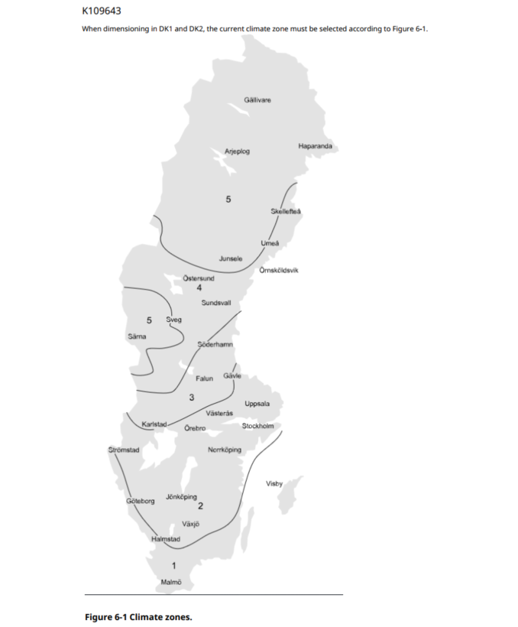
 |  |  | Platform
 |  | Step1 |  |  | 1-20 rate in money | Total
 |  | 1 | Groundwater level
 |  | 2 | Total project area m2
 |  | 3 | Protected land
 |  | 4 | Soiltype
 |  | 5 | Type of landuse
 |  | 6 | Level difference
 |  | 7 | Type of develop
 |  | 8 | How many people
 |  | 9 | Project stage
 |  | 10 | Climate zones
 |  | 11 | other consultant involed

 |  |  |  |  |  |  |  |  | Flatrate in sek
 |  |  |  |  |  |  |  |  | Engineers |  | Benny
 |  |  |  |  |  |  | Sweden | 605 | 700 | SEK/hr | 1300 | SEK/hr
 |  |  |  |  |  |  | Denmark | 630 | 710 | SEK/hr | 1200 | SEK/hr
 |  |  |  |  |  |  | Finland | 600 | 690 | SEK/hr | 1100 | SEK/hr
 |  |  |  |  |  |  | Norway | 680 | 800 | SEK/hr | 1400 | SEK/hr
 |  |  |  |  |  |  | Singapore | 720 | 850 | SEK/hr | 1600 | SEK/hr
 |  |  |  |  |  |  | Dubai | 720 | 850 | SEK/hr | 1600 | SEK/hr
 |  |  |  |  |  |  | USA | 760 | 900 | SEK/hr | 1800 | SEK/hr

 |  |  |  |  |  |  | Stormwater
 |  |  |  |  |  |  | Expert |  | 0.2 | 1300 | 260
 |  |  |  |  |  |  | Senior |  | 0.3 | 650 | 195
 |  |  |  |  |  |  | Junior |  | 0.5 | 300 | 150
 |  |  |  |  |  |  | Flooding mod |  |  |  | 605
 |  |  |  |  |  |  | Expert

 |  |  |  |  |  |  | water mod
 |  |  |  |  |  |  | Expert
 |  |  |  |  |  |  | LSO
 |  |  |  |  |  |  | Detail VA
 |  |  |  |  |  |  | Detail Road
 |  |  |  |  |  |  | Detail LA
 |  |  |  |  |  |  | Geo
 |  |  |  |  |  |  | Adm

